GRAN_Method
...
 |  |  |  |  |  | 0.000005358367627 | 1.02797603737997 | 48.442229506489 |  |  | 0.15 | 0.2284185 | 0.0363539 |  | 0.65 | 0.7790900 | 0.1239960 | 0.03 | 0.04703089 | 0.00748520 | 0.53
 |  |  |  |  |  | 0.000000232568039 | 1.02797626994801 | 48.442240466000 |  |  | 0.20 | 0.2990563 | 0.0475963 |  | 0.70 | 0.8171550 | 0.1300543 | 0.04 | 0.06262607 | 0.00996725 | 0.54
 |  |  | 5 | 4 | 8 | 0.000000012662038 | 1.02797628261005 | 48.442241062684 |  |  | 0.25 | 0.3662204 | 0.0582858 |  | 0.75 | 0.8527863 | 0.1357252 | 0.05 | 0.07816024 | 0.01243959 | 0.55
 |  |  | 6 | 5 | 10 | 0.000000000791377 | 1.02797628340143 | 48.442241099977 |  |  | 0.30 | 0.4297752 | 0.0684009 |  | 0.80 | 0.8861517 | 0.1410354 | 0.06 | 0.09362359 | 0.01490066 | 0.56
 |  |  | 7 | 6 | 12 | 0.000000000054284 | 1.02797628345571 | 48.442241102535 |  |  | 0.35 | 0.4896999 | 0.0779382 |  | 0.85 | 0.9174105 | 0.1460104 | 0.07 | 0.10900738 | 0.01734906 | 0.57
DATA |  |  | 8 | 7 | 14 | 0.000000000003982 | 1.02797628345969 | 48.442241102723 |  |  | 0.40 | 0.5460526 | 0.0869070 |  | 0.90 | 0.9467127 | 0.1506740 | 0.08 | 0.12430379 | 0.01978356 | 0.58
 |  |  | 9 | 8 | 16 | 0.000000000000307 | 1.02797628346000 | 48.442241102737 |  |  | 0.45 | 0.5989450 | 0.0953251 |  | 0.95 | 0.9741988 | 0.1550486 | 0.09 | 0.13950575 | 0.02220303 | 0.59
 |  |  | 10 | 9 | 18 | 0.000000000000025 | 1.02797628346002 | 48.442241102738 |  |  | 0.50 | 0.6485234 | 0.1032157 |  | 1 | 1 | 0.1591549 | 0.10 | 0.15460692 | 0.02460646 | 0.60
 |  |  |  |  |  |  |  |  |  |  |  |  |  |  |  |  |  | 0.11 | 0.16960155 | 0.02699292 | 0.61
Ratios |  |  |  |  | For n = 85 S | 1.02797628346003 |  | P = 48.4422 inch |  |  |  |  | Third Order Y Factor |  |  |  |  | 0.12 | 0.18448445 | 0.02936161 | 0.62
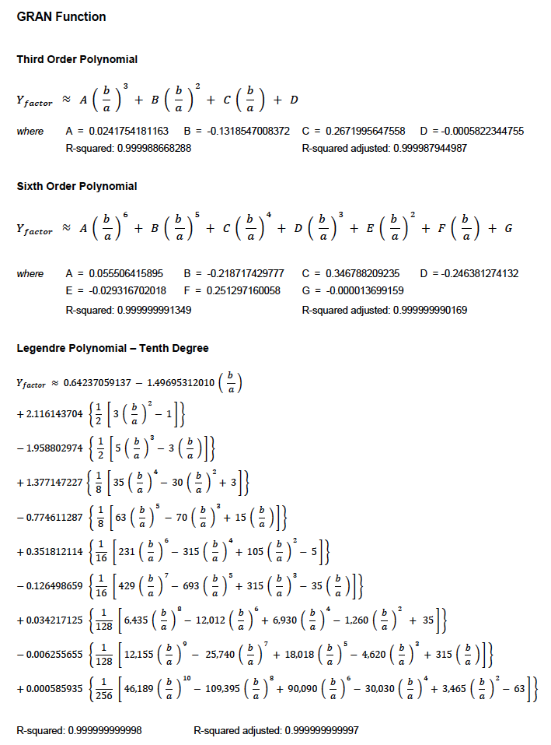
 |  |  |  |  |  |  |  |  |  |  |  |  |  |  |  |  |  | 0.13 | 0.19925098 | 0.03171178 | 0.63
b / a | 0.500 |  | GRAN Method |  |  |  |  |  |  |  |  |  | a0 | -0.0005822345 |  |  |  | 0.14 | 0.21389693 | 0.03404275 | 0.64
X factor and Y factor vs. Ratio b / a
 | Y Factor |  | X Factor |  | x1 |  | y1 |  | Dot1 |  | y2 |  | Dot2
0.00 | 0.0002498793 | 0.00 | 0.001570038 | 0.500 | 0.64852323709 | 0.000 | 0.648523 | 0.500 | 0.648523 | 0.000 | 0.103216 | 0.500 | 0.103216
0.02 | 0.0049962187 | 0.02 | 0.031392167 | 0.500 | 0 | 0.500 | 0.648523 |  |  | 0.500 | 0.103216
0.04 | 0.0099679703 | 0.04 | 0.062630604
0.06 | 0.0149009753 | 0.06 | 0.093625590
0.08 | 0.0197836615 | 0.08 | 0.124304412
0.10 | 0.0246064987 | 0.10 | 0.154607193
0.12 | 0.0293616812 | 0.12 | 0.184484885
0.14 | 0.0340428606 | 0.14 | 0.213897603
0.16 | 0.0386449242 | 0.16 | 0.242813220
0.18 | 0.0431638082 | 0.18 | 0.271206206
0.20 | 0.0475963437 | 0.20 | 0.299056648
0.22 | 0.0519401264 | 0.22 | 0.326349439
0.24 | 0.0561934080 | 0.24 | 0.353073596
0.26 | 0.0603550053 | 0.26 | 0.379221682
0.28 | 0.0644242221 | 0.28 | 0.404789325
0.30 | 0.0684007835 | 0.30 | 0.429774798
0.32 | 0.0722847791 | 0.32 | 0.454178662
0.34 | 0.0760766134 | 0.34 | 0.478003460
0.36 | 0.0797769625 | 0.36 | 0.501253439
0.38 | 0.0833867359 | 0.38 | 0.523934314
0.40 | 0.0869070420 | 0.40 | 0.546053049
0.42 | 0.0903391577 | 0.42 | 0.567617668
0.44 | 0.0936845006 | 0.44 | 0.588637078
0.46 | 0.0969446046 | 0.46 | 0.609120915
0.48 | 0.1001210969 | 0.48 | 0.629079405
0.50 | 0.1032156789 | 0.50 | 0.648523237
0.52 | 0.1062301078 | 0.52 | 0.667463453
0.54 | 0.1091661819 | 0.54 | 0.685911351
0.56 | 0.1120257267 | 0.56 | 0.703878400
0.58 | 0.1148105834 | 0.58 | 0.721376171
0.60 | 0.1175226000 | 0.60 | 0.738416274
0.62 | 0.1201636225 | 0.62 | 0.755010308
0.64 | 0.1227354891 | 0.64 | 0.771169822
0.66 | 0.1252400249 | 0.66 | 0.786906284
0.68 | 0.1276790374 | 0.68 | 0.802231052
0.70 | 0.1300543136 | 0.70 | 0.817155352
0.72 | 0.1323676165 | 0.72 | 0.831690263
0.74 | 0.1346206828 | 0.74 | 0.845846695
0.76 | 0.1368152198 | 0.76 | 0.859635378
0.78 | 0.1389529028 | 0.78 | 0.873066837
0.80 | 0.1410353720 | 0.80 | 0.886151377
0.82 | 0.1430642290 | 0.82 | 0.898899062
0.84 | 0.1450410339 | 0.84 | 0.911319694
0.86 | 0.1469673026 | 0.86 | 0.923422797
0.88 | 0.1488445051 | 0.88 | 0.935217609
0.90 | 0.1506740665 | 0.90 | 0.946713082
0.92 | 0.1524573706 | 0.92 | 0.957917911
0.94 | 0.1541957695 | 0.94 | 0.968840593
0.96 | 0.1558906002 | 0.96 | 0.979489527
0.98 | 0.1575432108 | 0.98 | 0.989873186
...
 |  |  |  |  |  |  |  |  |  |  |  |  |  |  |  |  |  | 0.15 | 0.22841854 | 0.03635394 | 0.65
 |  |  |  |  |  |  |  |  |  |  |  |  | a1 | 0.2671995648 |  |  |  | 0.16 | 0.24281245 | 0.03864480 | 0.66
h | 0.111111 |  |  |  |  |  |  |  |  |  |  |  |  |  |  |  |  | 0.17 | 0.25707567 | 0.04091486 | 0.67
 |  |  |  |  |  |  |  |  |  |  |  |  | a2 | -0.1318547008 |  |  |  | 0.18 | 0.27120555 | 0.04316370 | 0.68
 |  |  |  |  |  |  |  |  |  |  |  |  |  |  |  |  |  | 0.19 | 0.28519975 | 0.04539095 | 0.69
Constants |  |  |  |  |  |  |  |  |  |  |  |  | a3 | 0.0241754181 |  |  |  | 0.20 | 0.29905626 | 0.04759628 | 0.70
 |  |  |  |  |  |  |  |  |  |  |  |  |  |  |  |  |  | 0.21 | 0.31277330 | 0.04977942 | 0.71
X factor | 0.6485232 |  |  | 0 | 0.648523 | 0.103216 |  |  |  |  |  |  |  |  |  |  |  | 0.22 | 0.32634938 | 0.05194012 | 0.72
 |  |  |  | 0.500 | 0.648523 | 0.103216 |  |  |  |  |  |  |  |  |  |  |  | 0.23 | 0.33978325 | 0.05407818 | 0.73
 |  |  |  | 0.500 | 0.648523 | 0.103216 |  |  |  |  |  |  | Sixth Order Y Factor |  |  |  |  | 0.24 | 0.35307384 | 0.05619345 | 0.74
Y factor | 0.1032157 |  |  | 0.500 | 0 | 0 |  |  |  |  |  |  |  |  |  |  |  | 0.25 | 0.36622035 | 0.05828578 | 0.75
 |  |  |  |  |  |  |  |  |  | X Factor | Y Factor |  | a0 | -0.0000136992 |  |  |  | 0.26 | 0.37922213 | 0.06035508 | 0.76
 |  |  |  |  |  |  |  |  |  |  |  |  |  |  |  |  |  | 0.27 | 0.39207873 | 0.06240127 | 0.77
Area | 157.080 | in 2 |  |  |  |  |  |  | Coefficient | 4.03690045957 | 0.64237059137 |  | a1 | 0.2512971683 |  |  |  | 0.28 | 0.40478984 | 0.06442430 | 0.78
 |  |  |  |  |  |  |  |  |  | -9.40766736226 | -1.49695312010 |  |  |  |  |  |  | 0.29 | 0.41735535 | 0.06642417 | 0.79
 |  |  |  |  |  |  |  |  | A | 13.29876322828 | 2.11614370386 |  | a2 | -0.0293167879 |  |  |  | 0.30 | 0.42977525 | 0.06840086 | 0.80
 |  |  |  |  |  |  |  |  | B | -12.31004639728 | -1.95880297362 |  |  |  |  |  |  | 0.31 | 0.44204969 | 0.07035439 | 0.81
 |  |  |  |  |  |  |  |  | C | 8.65479699372 | 1.37714722655 |  | a3 | -0.2463809476 |  |  |  | 0.32 | 0.45417895 | 0.07228482 | 0.82
OUTPUT |  |  |  |  |  |  |  |  | D | -4.86822301889 | -0.77461128718 |  |  |  |  |  |  | 0.33 | 0.46616339 | 0.07419221 | 0.83
 |  |  |  |  |  |  |  |  | F | 2.21110415963 | 0.35181211398 |  | a4 | 0.3467876214 |  |  |  | 0.34 | 0.47800353 | 0.07607662 | 0.84
 |  |  |  |  |  |  |  |  | G | -0.79505577399 | -0.12649865876 |  |  |  |  |  |  | 0.35 | 0.48969993 | 0.07793816 | 0.85
 |  |  |  |  |  |  |  |  | H | 0.21506536033 | 0.03421712450 |  | a5 | -0.2187169272 |  |  |  | 0.36 | 0.50125329 | 0.07977694 | 0.86
Gauss - Kummer Series |  |  |  |  |  |  |  |  | I | -0.03932043972 | -0.00625565484 |  |  |  |  |  |  | 0.37 | 0.51266436 | 0.08159307 | 0.87
 |  |  |  |  |  |  |  |  | J | 0.00368315575 | 0.00058593535 |  | a6 | 0.0555062520 |  |  |  | 0.38 | 0.52393399 | 0.08338668 | 0.88
P | 48.442 | inch |  |  |  |  |  |  | K |  |  |  |  |  |  |  |  | 0.39 | 0.53506309 | 0.08515794 | 0.89
 |  |  |  |  |  |  |  |  | M |  |  |  |  |  |  |  |  | 0.40 | 0.54605263 | 0.08690697 | 0.90
 |  |  |  |  |  |  |  |  |  |  |  |  |  |  |  |  |  | 0.41 | 0.55690365 | 0.08863397 | 0.91
Legendre Polynomial |  |  |  |  |  |  |  |  |  |  |  |  |  |  |  |  |  | 0.42 | 0.56761724 | 0.09033909 | 0.92
 |  |  |  |  |  |  |  |  |  |  |  |  |  |  |  |  |  | 0.43 | 0.57819454 | 0.09202252 | 0.93
P | 48.442 | inch |  |  |  |  |  |  |  |  |  |  |  |  |  |  |  | 0.44 | 0.58863673 | 0.09368445 | 0.94
 |  |  |  |  |  |  |  |  |  |  |  |  |  |  |  |  |  | 0.45 | 0.59894504 | 0.09532506 | 0.95
 |  |  |  |  |  |  |  |  |  |  |  |  |  |  |  |  |  | 0.46 | 0.60912071 | 0.09694457 | 0.96
Sixth Order Polynomial |  |  |  |  |  |  |  |  |  |  |  |  |  |  |  |  |  | 0.47 | 0.61916506 | 0.09854318 | 0.97
 |  |  |  |  |  |  |  |  |  |  |  |  |  |  |  |  |  | 0.48 | 0.62907938 | 0.10012109 | 0.98
P | 48.443 | inch |  |  |  |  |  |  |  |  |  |  |  |  |  |  |  | 0.49 | 0.63886504 | 0.10167853 | 0.99
 |  |  |  |  |  |  |  |  |  |  |  |  |  |  |  |  |  | 0.50 | 0.64852339 | 0.10321570 | 1.00
...
Semi-Major Axis
Third Order Polynomial
...
Semi-Major Axis
P | 48.508 | inch

Paul Bourke |  |  |  |  |  | Wolfram Mathworld - Equation of an Ellipse

http://paulbourke.net/geometry/ellipsecirc/ |  |  |  |  |  | http://mathworld.wolfram.com/Ellipse.html
...

